Sheet1

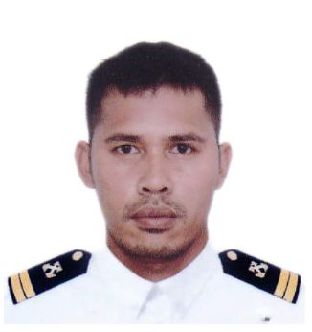
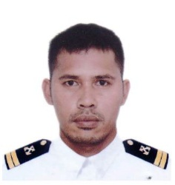 PICTURE HERE

DATE: 30 OCTOBER 2020 |  |  |  |  |  | MEMBER CODE:
MEMBER PERSONAL DETAILS
FAMILY NAME: GALOS |  |  |  | BIRTHDATE(mm/dd/yy): 04/21/86
FIRST NAME: MONELL |  |  |  | AGE: 34
MIDDLE NAME: CAGAS |  |  |  | BIRTHPLACE: CAGAYAN DE ORO CITY
SUFFIX:
NICK-NAME: NEL |  |  |  | GENDER: | MALE / SINGLE
MANNING COMPANY: | FOSCON SHIPMANAGEMENT
CONTACT PERSON: | ROMAR CRUZ |  |  |  | CONTACT NUMBER: |  | 0997 643 9706
MEMBER CONTACT DETAILS
PERMANENT ADDRESS: B33, L14, GALVANIZE ST., PNRS-1, ZONE 8, BARRA, OPOL, MISAMIS ORIENTAL

EMAIL ADDRESS: monixgals@gmail.com |  |  | FACEBOOK/MESSENGER: MONELL CAGAS GALOS
CONTACT NUMBER: 0997 643 9706

ADDRESS IN MANILA (IF RESIDING IN PROVINCE): FOSCON

MEMBER EMERGENCY CONTACT DETAILS
CONTACT NAME AND ADDRESS IN CASE OF ACCIDENT:
FULL NAME: NELIE C. GALOS |  |  |  | RELATIONSHIP TO THE MEMBER: MOTHER
ADDRESS: SAME ABOVE
CONTACT NUMBER: 0916 152 8737
AGE: 60 |  | BIRTHDATE: 13 JANUARY 1960 |  |  |  | GENDER: FEMALE

MEMBER BENEFICIARY
NAME |  | RELATION |  | BIRTHDATE mm/dd/yyyy |  | AGE
MONIQUE C. GALOS |  | BROTHER |  | 1987-06-17 |  | 33
MONICO C. GALOS JR. |  | BROTHER |  | 1990-06-24 |  | 30
MONELLA MAE C. GALOS |  | SISTER |  | 1992-05-05 |  | 28
MONILO C. GALOS |  | BROTHER |  | 1994-09-26 |  | 26
MONICA C. GALOS |  | SISTER |  | 1996-07-13 |  | 24
MONA LIZA C. GALOS |  | SISTER |  | 1997-09-13 |  | 23

I HEREBY CONFIRMED THAT THE ABOVE DETAILS IS TRUE AND CORRECT

 |  |  |  | SIGNATURE

